Sheet1
 |  | 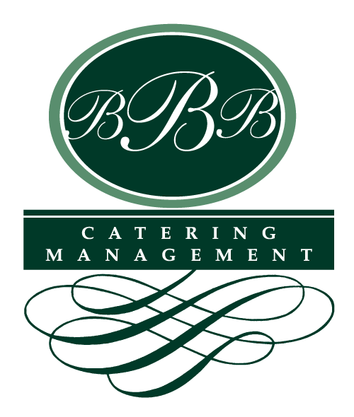
 | Service Staff Estimate
Please Note: These charges are additional to the menu cost, prices do not include GST
GST is applicable to the Total Price
 |  | Guests:
 |  | Estimated Total Price: | $0.00
 |  | Price Per Guest | #DIV/0!

 | Based on Service to Guests over a hr period

 | NUMBER OF | TYPE OF | RATE | HOURS AT | TOTAL
 | STAFF | STAFF REQUIRED | PER HOUR | FUNCTION | PRICE

 |  | Chef | $55.00 |  | $0.00

 |  | Function Manager | $50.00 |  | $0.00

 |  | Food Supervisor | $45.00 |  | $0.00

 |  | Drinks Supervisor | $45.00 |  | $0.00

 |  | Food Service Staff | $40.00 |  | $0.00

 |  | Bar People | $40.00 |  | $0.00

 |  | Kitchen Assistants | $35.00 |  | $0.00

 |  | Setup Team | $35.00 |  | $0.00

 |  | Stewards | $40.00 |  | $0.00

 |  |  |  | Grand Total: | $0.00

 | Big Belly Bus Caterers |  |  | Ph: 08 9493 2140
 | 56-58 Stebbing Rd Maddington WA 6109 |  |  | Fax: 08 9493 2141
 | Email: sales@bigbellybus.com.au
 | www.bigbellybus.com.au |  |  | FREECALL: 1800 242 140

